1
hepatitis

tetanus | uốn ván
polio | bệnh bại liệt
malaria | bệnh sốt rét
dengue

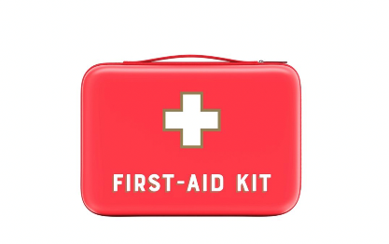
first aid kit

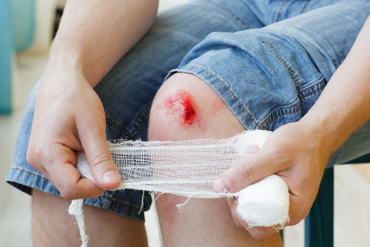
wound

sore | đau | All the dust has made my eyes sore.
 |  | I've got a sore back.
 |  | My feet were sore with all the walking.

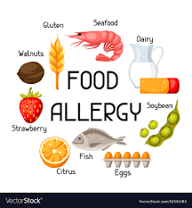
allergy | dị ứng

